technologies and projects
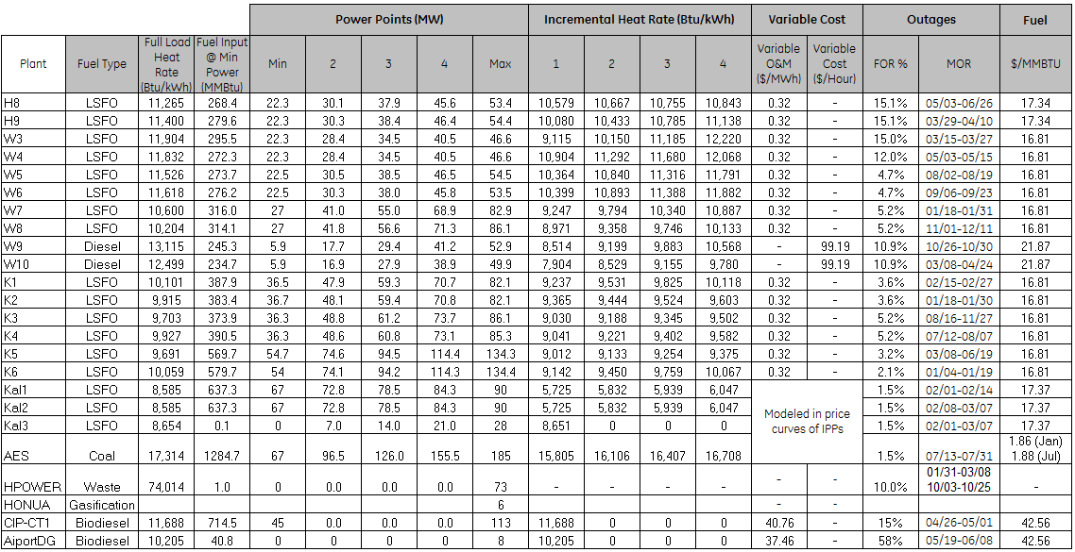
...
FC | FC
4 | Max | Full load heat rate (calculated) | Err vs inc curve | 2018 full load heat rate | err vs. reported
516.9323 | 601.5077 | 11.264189139 | -0.001
531.0273 | 620.1313 | 11.399472426 | -0.001
480.1265 | 554.6685 | 11.902757511 | -0.001 | 11.009 | -0.894
477.7756 | 551.3904 | 11.832412017 | 0.000 | 11.009 | -0.824
533.86 | 628.188 | 11.526385321 | 0.000 | 11.009 | -0.518
530.0147 | 621.5061 | 11.616936449 | -0.001 | 11.009 | -0.608
726.3 | 878.718 | 10.59973462 | 0.000 | 11.009 | 0.409
728.6354 | 878.6038 | 10.204457607 | 0.000 | 11.009 | 0.804
570.0129 | 693.6585 | 13.112637051 | -0.002 | 25.396 | 12.283
516.168 | 623.748 | 12.49995992 | 0.001 | 25.396 | 12.896
713.8602 | 829.2054 | 10.099943971 | -0.001 | 10.668 | 0.568
705.4518 | 813.9657 | 9.914320341 | -0.001 | 10.668 | 0.753
717.5187 | 835.3435 | 9.7020150987 | -0.001 | 10.668 | 0.966
729.8451 | 846.7455 | 9.9266764361 | 0.000 | 10.668 | 0.741
1114.9401 | 1301.5026 | 9.6910096798 | 0.000 | 10.668 | 0.977
1149.5551 | 1351.9018 | 10.058793155 | 0.000 | 10.668 | 0.609
738.1936 | 772.6615 | 8.5851277778 | 0.000 | 5.876 | -2.709
738.1936 | 772.6615 | 8.5851277778 | 0.000 | 5.876 | -2.709
242.328 | 242.328 | 8.6545714286 | 0.001 | 5.876 | -2.778
1972.3329371 | 1972.3329371 | 10.957405206 | 0.000 | 10.957 | 0.000
0 | 0 | 0 | 0.000 | 0.000 | 0.000
1320.744 | 1320.744 | 11.688 | 0.000 | 17.108 | 5.420
81.64 | 81.64 | 10.205 | 0.000 | 9.407 | -0.798
57.814674646 | 57.814674646 | 4.7389077578 | 0.000 | 4.739 | 0.000
92.843581207 | 92.843581207 | 4.6421790603 | 0.000 | 4.642 | 0.000

 |  |  |  |  |  |  |  |  |  |  |  |  |  | **** need to make this come out right using Switch heat rate, not actual heat rate…
 |  |  |  |  |  |  |  |  | PPA true-ups (2018 data in 2018$) |  |  |  | verify

67 | 637.3
72.8 | 670.505
78.5 | 703.7474
84.3 | 738.1936
90 | 772.6615
heat_rate | intermittent | resource_limited | distributed | must_run | non_cycling | baseload | cogen | min_uptime | min_downtime | startup_energy | project | PPA $/kWh | MWh output | MMBtu input | $/MMBtu | total op cost | cap factor | heat rate | $/kWh no cap | $/kWh incl cap
11,265 | 0 | 1 | 0 | 0 | 0 | 0 | 0 | 3 | 5 | 190 | Honolulu_8
11,400 | 0 | 1 | 0 | 0 | 0 | 0 | 0 | 3 | 5 | 190 | Honolulu_9
11,904 | 0 | 1 | 0 | 0 | 0 | 0 | 0 | 3 | 5 | 337 | Waiau_3 |  | 963,129 | 10,602,621 |  |  | 2.3593612205 | 11.008515993
 |  |  |  |  |  |  |  |  |  |  |  |  |  |  |  |  |  | 11.008515993
 |  |  |  |  |  |  |  |  |  |  |  |  |  |  |  |  |  | 11.008515993
 |  |  |  |  |  |  |  |  |  |  |  |  |  |  |  |  |  | 11.008515993
 |  |  |  |  |  |  |  |  |  |  |  |  |  |  |  |  |  | 11.008515993
 |  |  |  |  |  |  |  |  |  |  |  |  |  |  |  |  |  | 11.008515993
 |  |  |  |  |  |  |  |  |  |  |  |  |  |  |  |  | 0.04481187042 | 25.395791197
 |  |  |  |  |  |  |  |  |  |  |  |  |  |  |  |  |  | 25.395791197
 |  |  |  |  |  |  |  |  |  |  |  |  |  |  |  |  | 3.401672145 | 10.667776293
 |  |  |  |  |  |  |  |  |  |  |  |  |  |  |  |  |  | 10.667776293
 |  |  |  |  |  |  |  |  |  |  |  |  |  |  |  |  |  | 10.667776293
 |  |  |  |  |  |  |  |  |  |  |  |  |  |  |  |  |  | 10.667776293
 |  |  |  |  |  |  |  |  |  |  |  |  |  |  |  |  |  | 10.667776293
 |  |  |  |  |  |  |  |  |  |  |  |  |  |  |  |  |  | 10.667776293
 |  |  |  |  |  |  |  |  |  |  |  |  |  |  | 12.231284137 | 9651786.106 | 0.099070842115 | 5.8761820347 | 0.12357061802 | 0.17067511262
 |  |  |  |  |  |  |  |  |  |  |  |  |  |  | 12.231284137 | 9651786.106 | 0.099070842115 | 5.8761820347 | 0.12357061802 | 0.1708025947
 |  |  |  |  |  |  |  |  |  |  |  |  |  |  | 12.231284137 | 3002777.8996 | 0.099070842115 | 5.8761820347 | 0.12357061802 | 0.1708025947
 |  |  |  |  |  |  |  |  |  |  |  |  |  |  | 3.8293471441 | 74681388.463 | 0.84135020294 | 10.957405206 | 0.056293592964 | 0.079029700852
 |  |  |  |  |  |  |  |  |  |  |  |  |  |  | 0 | 65743494.907 | 0.62180834428 | 0 | 0.16533670387 | 0.19540147837
 |  |  |  |  |  |  |  |  |  |  |  |  |  |  |  |  | 0.034556713945 | 17.108194229
 |  |  |  |  |  |  |  |  |  |  |  |  |  |  |  |  | 0.0086187214612 | 9.4072847682
 |  |  |  |  |  |  |  |  |  |  |  |  |  |  | 12.231284137 | 10890006.775 | 0.86781383337 | 4.7389077578 | 0.11741880182 | 0.12173569415
 |  |  |  |  |  |  |  |  |  |  |  |  |  |  | 12.231284137 | 17908425.397 | 0.8760216895 | 4.6421790603 | 0.11668322961 | 0.12102704616
...

